Evaluation_MLP
List of the Formulas used below

1. F1 Score=2TP/(2TP+FP+FN) |  |  |  |  | Class 1 is classified as Empty - NEGATIVE |  |  | Predicted value
2. Precision= TP/(TP+FP) |  |  |  |  | Class 2 is classfied as Human - POSITIVE |  |  | Negative, Class 1 (Predicted Object) | Positive, Class 2 (Predicted Human)
3. Recall = TP/(TP+FN) |  |  |  |  |  | Actual Value | Negative (Object) | True Negative (TN) | False Positive (FP)
4. Accuracy = (TP+TN)/(P+N) |  |  |  |  |  |  | Positive (Human) | False Negative (FN) | True Positive (TP)

MLP Evaluation - Model Trained on Stationary Dataset (Non Doppler) tested with Dataset Moving TOWARDS (Doppler)

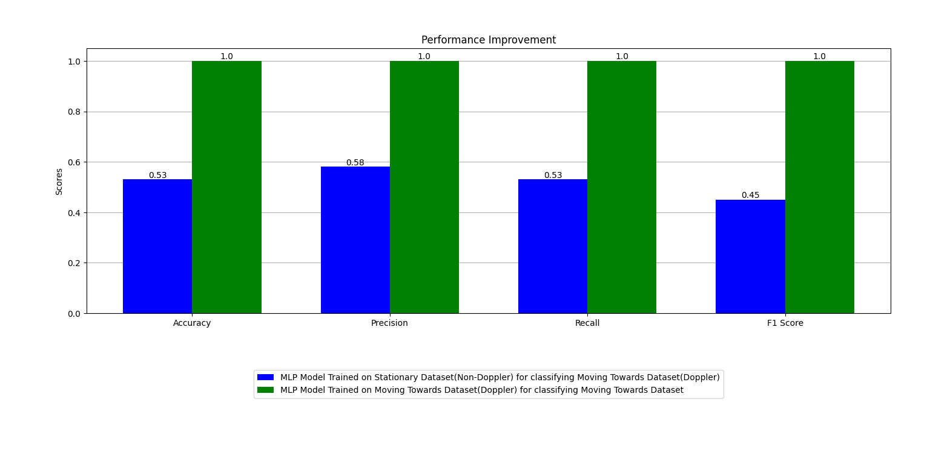
Metric | Value
Accuracy | 0.53535353535 |  |  | Predicted value
Precision | 0.58608695652 |  |  | Negative, Class 1 (Predicted Object) | Positive, Class 2 (Predicted Human)
Recall | 0.53535353535 | Actual Value | Negative (Object) | 90 | 504
F1 Score | 0.45506760799 |  | Positive (Human) | 48 | 546
TP | 546
TN | 90 |  |  |  | True positive (TP)
FP | 504 |  |  |  | False negative (FN
FN | 48 |  |  |  | False positive (FP)
 |  |  |  |  | True negative (TN)
MLP Evaluation - Model Trained on Stationary Dataset (Non Doppler) tested with Dataset Moving AWAY(Doppler)

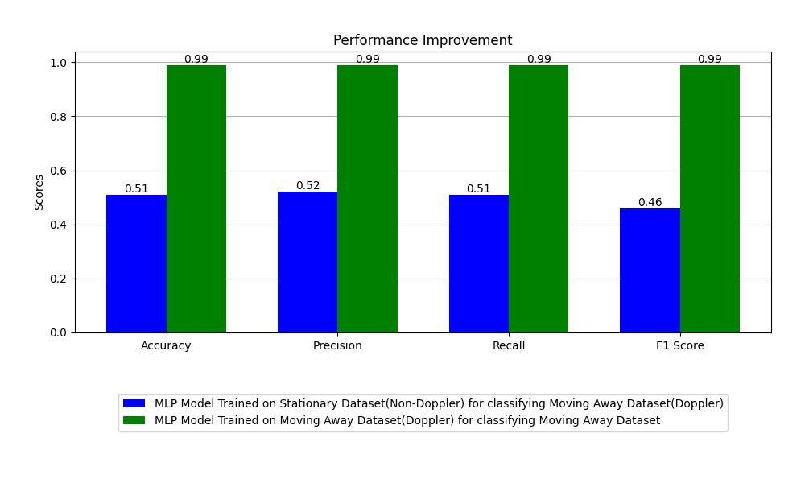
Metric | Value
Accuracy | 0.51767676768 |  |  | Predicted value
Precision | 0.52767240347 |  |  | Negative, Class 1 (Predicted Object) | Positive, Class 2 (Predicted Human)
Recall | 0.51767676768 | Actual Value | Negative (Object) | 129 | 465
F1 Score | 0.46979776384 |  | Positive (Human) | 108 | 486
TP | 486
TN | 129 |  |  |  | True positive (TP)
FP | 465 |  |  |  | False negative (FN
FN | 108 |  |  |  | False positive (FP)
 |  |  |  |  | True negative (TN)

MLP Evaluation - Model Trained on Perpendicular Dataset (Non Doppler) tested with Dataset Moving TOWARDS (Doppler)

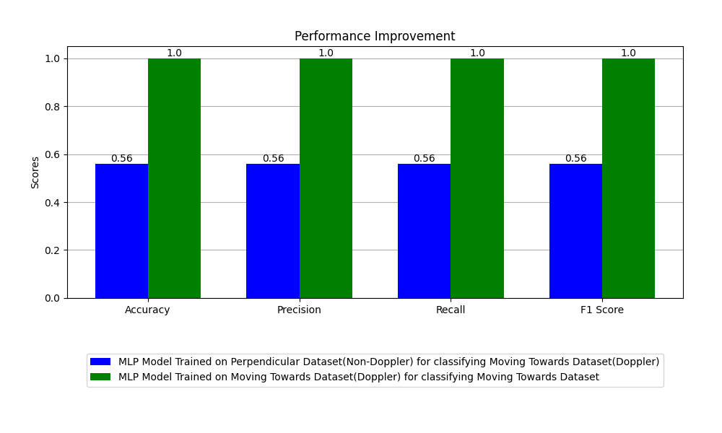
Metric | Value
Accuracy | 0.56818181818 |  |  | Predicted value
Precision | 0.56847700781 |  |  | Negative, Class 1 (Predicted Object) | Positive, Class 2 (Predicted Human)
Recall | 0.56818181818 | Actual Value | Negative (Object) | 357 | 237
F1 Score | 0.56771594732 |  | Positive (Human) | 276 | 318
TP | 318
TN | 357 |  |  |  | True positive (TP)
FP | 237 |  |  |  | False negative (FN
FN | 276 |  |  |  | False positive (FP)
 |  |  |  |  | True negative (TN)

MLP Evaluation - Model Trained on Perpendicular Dataset (Non Doppler) tested with Dataset Moving AWAY (Doppler)


Metric | Value
Accuracy | 0.55050505051 |  |  | Predicted value
Precision | 0.55243644068 |  |  | Negative, Class 1 (Predicted Object) | Positive, Class 2 (Predicted Human)
Recall | 0.55050505051 | Actual Value | Negative (Object) | 384 | 210
F1 Score | 0.54632752362 |  | Positive (Human) | 324 | 270
TP | 270
TN | 384 |  |  |  | True positive (TP)
FP | 210 |  |  |  | False negative (FN
FN | 324 |  |  |  | False positive (FP)
 |  |  |  |  | True negative (TN)

Evaluation_CNN
List of the Formulas used below

1. F1 Score=2TP/(2TP+FP+FN) |  |  |  |  | Class 1 is classified as Empty - NEGATIVE |  |  | Predicted value
2. Precision= TP/(TP+FP) |  |  |  |  | Class 2 is classfied as Human - POSITIVE |  |  | Negative, Class 1 (Predicted Object) | Positive, Class 2 (Predicted Human)
3. Recall = TP/(TP+FN) |  |  |  |  |  | Actual Value | Negative (Object) | True Negative (TN) | False Positive (FP)
4. Accuracy = (TP+TN)/(P+N) |  |  |  |  |  |  | Positive (Human) | False Negative (FN) | True Positive (TP)

CNN Evaluation - Model Trained on Stationary Dataset (Non Doppler) tested with Dataset Moving TOWARDS (Doppler)

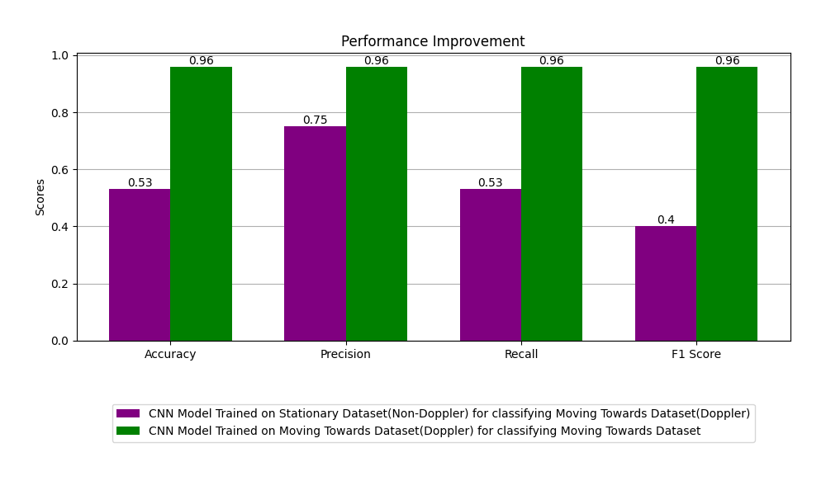
Metric | Value
Accuracy | 0.53282828283 |  |  | Predicted value
Precision | 0.75848563969 |  |  | Negative, Class 1 (Predicted Object) | Positive, Class 2 (Predicted Human)
Recall | 0.53282828283 | Actual Value | Negative (Object) | 39 | 555
F1 Score | 0.40240311279 |  | Positive (Human) | 0 | 594
TP | 594
TN | 39 |  |  |  | True positive (TP)
FP | 555 |  |  |  | False negative (FN
FN | 0 |  |  |  | False positive (FP)
 |  |  |  |  | True negative (TN)
CNN Evaluation - Model Trained on Stationary Dataset (Non Doppler) tested with Dataset Moving AWAY(Doppler)

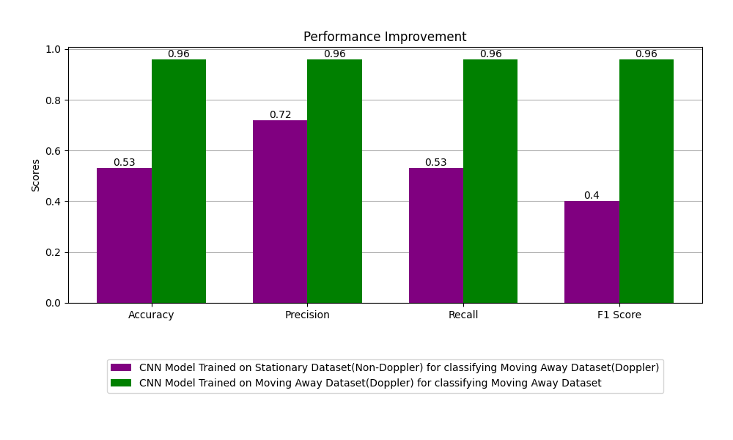
Metric | Value
Accuracy | 0.5303030303 |  |  | Predicted value
Precision | 0.72213911743 |  |  | Negative, Class 1 (Predicted Object) | Positive, Class 2 (Predicted Human)
Recall | 0.5303030303 | Actual Value | Negative (Object) | 39 | 555
F1 Score | 0.40097592713 |  | Positive (Human) | 3 | 591
TP | 591
TN | 39 |  |  |  | True positive (TP)
FP | 555 |  |  |  | False negative (FN
FN | 3 |  |  |  | False positive (FP)
 |  |  |  |  | True negative (TN)

CNN Evaluation - Model Trained on Perpendicular Dataset (Non Doppler) tested with Dataset Moving TOWARDS (Doppler)

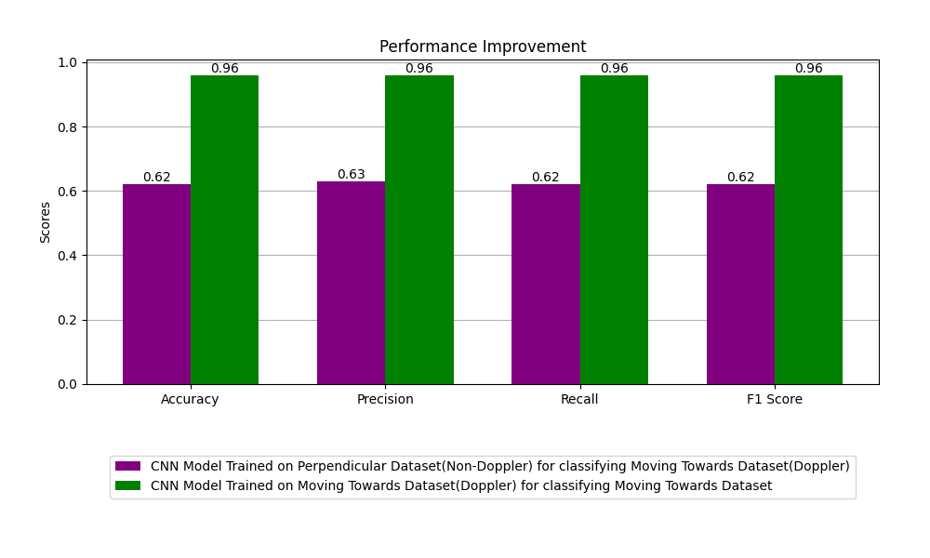
Metric | Value
Accuracy | 0.62878787879 |  |  | Predicted value
Precision | 0.6339861476 |  |  | Negative, Class 1 (Predicted Object) | Positive, Class 2 (Predicted Human)
Recall | 0.62878787879 | Actual Value | Negative (Object) | 432 | 162
F1 Score | 0.62515212982 |  | Positive (Human) | 279 | 315
TP | 315
TN | 432 |  |  |  | True positive (TP)
FP | 162 |  |  |  | False negative (FN
FN | 279 |  |  |  | False positive (FP)
 |  |  |  |  | True negative (TN)

CNN Evaluation - Model Trained on Perpendicular Dataset (Non Doppler) tested with Dataset Moving AWAY (Doppler)

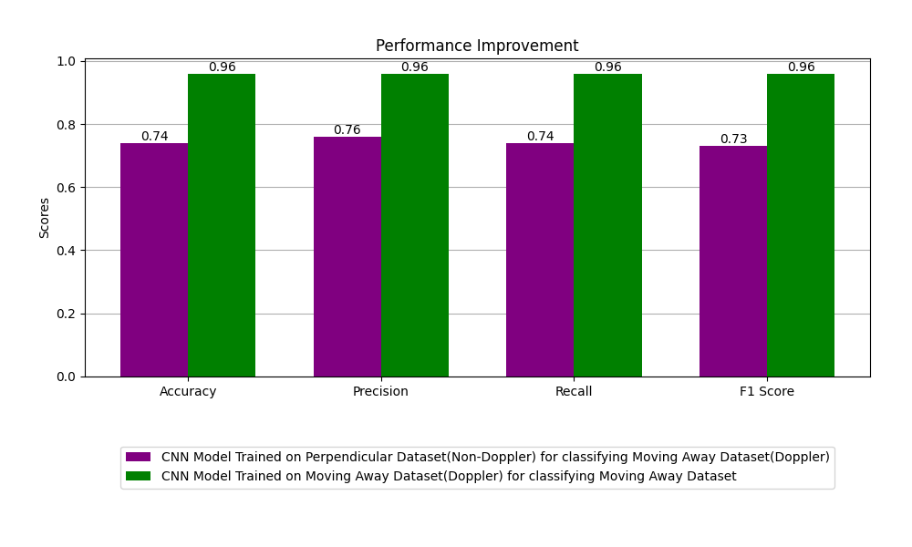
Metric | Value
Accuracy | 0.74242424242 |  |  | Predicted value
Precision | 0.76038356164 |  |  | Negative, Class 1 (Predicted Object) | Positive, Class 2 (Predicted Human)
Recall | 0.74242424242 | Actual Value | Negative (Object) | 519 | 75
F1 Score | 0.73790490033 |  | Positive (Human) | 231 | 363
TP | 363
TN | 519 |  |  |  | True positive (TP)
FP | 75 |  |  |  | False negative (FN
FN | 231 |  |  |  | False positive (FP)
 |  |  |  |  | True negative (TN)

